Start
 | Important Information | 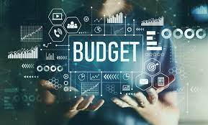
 | Use this Personal Monthly Budget worksheet to track your Projected and Actual Monthly Income and Projected and Actual Cost.
 | • Enter expenses incurred on various categories in respective tables.
 | • Projected Balance, Actual Balance, and Difference are auto calculated.
 | Note:
 | This is monthly budget spreadsheet designed to the needs of our clients and help educate them. This is a tool for your personal aid and is not intended to be considered as financial advice. Should you require financial advice or assistance, please contact your financial planner. MYFP nor any other company is in receipt of a monetary benefit for this tool.

